Dashboard
APRIL MATERNITY IN-PATIENT DATA ANALYSIS

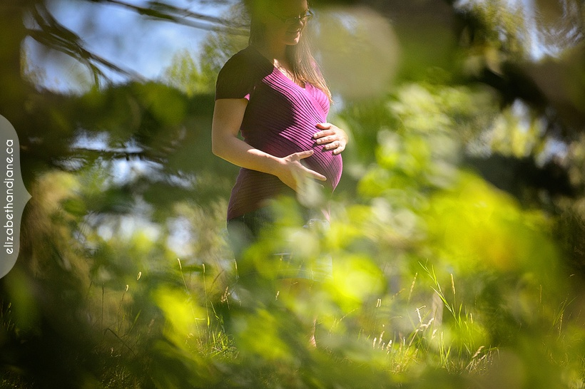

Complications Per Parity
 | NA | No | Yes
0 | 4 | 3
1 | 117 | 72 | 12
2 | 1 | 1
4 | 1
Distribution of Age of Matenity Patients over the past month
 | Total
16 Year(s) | 2
17 Year(s) | 2
18 Year(s) | 2
19 Year(s) | 2
20 Year(s) | 5
21 Year(s) | 2
22 Year(s) | 5
23 Year(s) | 6
24 Year(s) | 5
25 Year(s) | 11
26 Year(s) | 7
27 Year(s) | 14
28 Year(s) | 15
29 Year(s) | 12
30 Year(s) | 6
31 Year(s) | 8
32 Year(s) | 16
33 Year(s) | 17
34 Year(s) | 15
35 Year(s) | 13
36 Year(s) | 9
37 Year(s) | 8
38 Year(s) | 8
39 Year(s) | 5
40 Year(s) | 3
41 Year(s) | 7
42 Year(s) | 3
43 Year(s) | 2
44 Year(s) | 1
Percentage of Patient with NHIS
 | Total
No | 7
Yes | 204

Outcome of Pregnancy Per Age Group
 | Birth | Labour Review | Miscarriage | StillBirth
16 Year(s) | 2
17 Year(s) | 2
18 Year(s) | 2
19 Year(s) | 1 |  |  | 1
20 Year(s) | 5
21 Year(s) | 2
22 Year(s) | 5
23 Year(s) | 6
24 Year(s) | 5
25 Year(s) | 11
26 Year(s) | 7
27 Year(s) | 13 |  | 1
28 Year(s) | 14 |  |  | 1
29 Year(s) | 12
30 Year(s) | 6
31 Year(s) | 8
32 Year(s) | 15 | 1
33 Year(s) | 16 |  |  | 1
34 Year(s) | 15
35 Year(s) | 12 | 1
36 Year(s) | 9
37 Year(s) | 7 |  |  | 1
38 Year(s) | 8
39 Year(s) | 5
40 Year(s) | 3
41 Year(s) | 6 |  |  | 1
42 Year(s) | 3
43 Year(s) | 2
44 Year(s) | 1
Distribution of complications by Age
 | NA | No | Yes
16 Year(s) | 2
17 Year(s) | 1 | 1
18 Year(s) | 2
19 Year(s) | 2
20 Year(s) | 3 | 2
21 Year(s) | 2
22 Year(s) | 2 | 3
23 Year(s) | 4 | 2
24 Year(s) | 4 |  | 1
25 Year(s) | 5 | 6
26 Year(s) | 3 | 4
27 Year(s) | 8 | 5 | 1
28 Year(s) | 9 | 4 | 2
29 Year(s) | 9 | 3
30 Year(s) | 2 | 4
31 Year(s) | 6 | 2
32 Year(s) | 10 | 6
33 Year(s) | 9 | 6 | 2
34 Year(s) | 6 | 7 | 2
35 Year(s) | 9 | 4
36 Year(s) | 4 | 5
37 Year(s) | 7 |  | 1
38 Year(s) | 6 | 2
39 Year(s) | 2 | 3
40 Year(s) | 2 | 1
41 Year(s) | 3 | 3 | 1
42 Year(s) |  | 2 | 1
43 Year(s) | 1 | 1
44 Year(s) |  |  | 1

This Photo by Unknown Author is licensed under CC BY-NC-ND

@ZEUS

